JUnit Testing
Check Login Functionality | 1 | 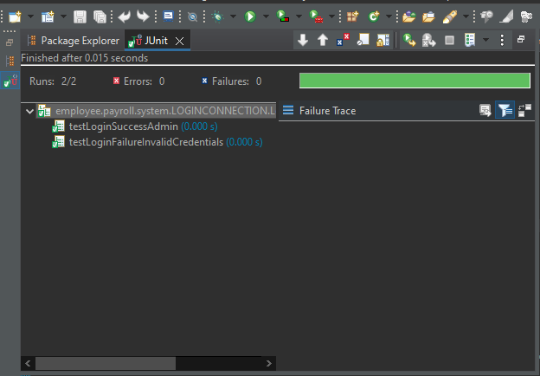
 | 2
 | 3
Employee self-service portal | 4 | 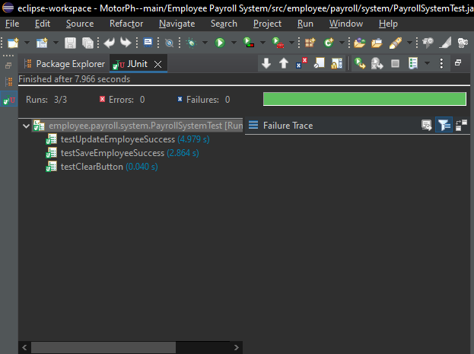
 | 5
Verify Payroll Processing | 6 | 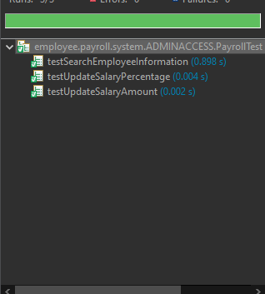
 | 7
Generate Payslip Functionality | 8 | 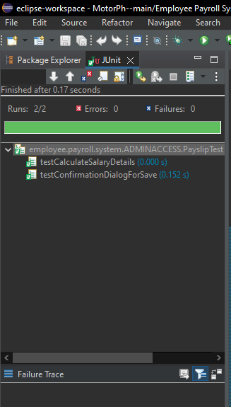
HR access to to add, delete, and modify employee information | 9 | 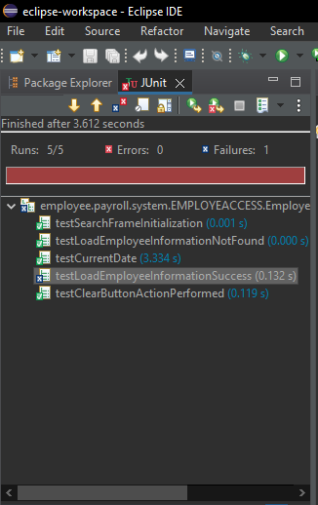
Exit Application | 10 | 